Datailed Inquiry Information
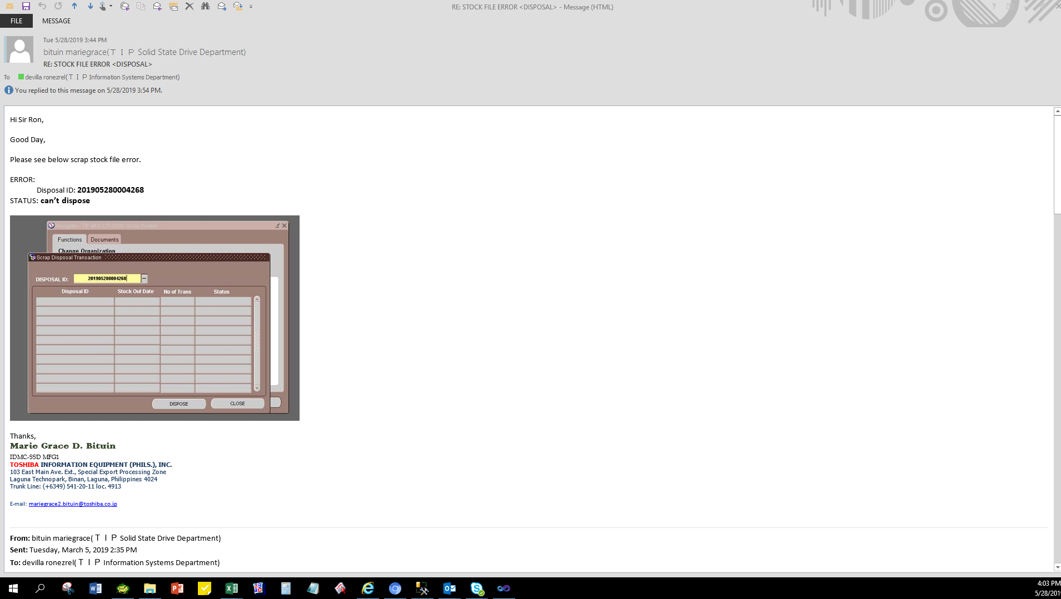
Detailed Inquiry Information

Actual Operation Evidence
Actual Operation Evidence

select *
from TIP_ESD_SCP_TAGS_STOCKPILE
where 1=1
and disposal_id = '201905280004268 '
DISPOSAL_ID | ORGANIZATION_ID | TAG_NUMBER | PARTS_CODE | DESCRIPTION | MODEL | DEFECT_TYPE | TRANS_DATE | TRANS_QTY | STOCKIN_BY | STOCKIN_DATE | STOCKOUT_BY | STOCKOUT_DATE | DISPOSE_BY | DISPOSE_DATE | DISPOSAL_FLAG | STATUS
201905280004268 | 125 | T0000009301 | GM9039919010 | Conductivity Bag/Exp | Condor-M3 AIC | Damaged | 5/28/2019 | 42 | 10625 | 5/28/2019 3:28:41 PM | 10625 | 5/28/2019 3:32:30 PM |  |  | N | PRINTED
201905280004268 | 125 | T0000009231 | A5A004373210 | PCB/Exp | Phoenix-M5 | PCB Repair NG | 4/30/2019 | 1 | 10625 | 5/28/2019 3:28:41 PM | 10625 | 5/28/2019 3:32:29 PM |  |  | N | PRINTED
201905280004268 | 125 | T0000009232 | A5A004373610 | PCB/Exp | Phoenix-M5 | PCB Repair NG | 4/30/2019 | 1 | 10625 | 5/28/2019 3:28:41 PM | 10625 | 5/28/2019 3:32:30 PM |  |  | N | PRINTED
201905280004268 | 125 | T0000009251 | A5A004248030 | PCB/Exp | Phoenix-M4 | PCB Repair NG | 5/28/2019 | 7 | 10625 | 5/28/2019 3:28:41 PM | 10625 | 5/28/2019 3:32:30 PM |  |  | N | PRINTED
201905280004268 | 125 | T0000009252 | A5A004248410 | PCB/Exp | Phoenix-M4 | PCB Repair NG | 5/28/2019 | 9 | 10625 | 5/28/2019 3:28:41 PM | 10625 | 5/28/2019 3:32:30 PM |  |  | N | PRINTED
201905280004268 | 125 | T0000009253 | A5A004248610 | PCB/Exp | Phoenix-M4 | PCB Repair NG | 5/28/2019 | 6 | 10625 | 5/28/2019 3:28:41 PM | 10625 | 5/28/2019 3:32:30 PM |  |  | N | PRINTED
201905280004268 | 125 | T0000009254 | A5A004249030 | PCB/Exp | Phoenix-M4 | PCB Repair NG | 5/28/2019 | 7 | 10625 | 5/28/2019 3:28:41 PM | 10625 | 5/28/2019 3:32:30 PM |  |  | N | PRINTED
201905280004268 | 125 | T0000009255 | A5A004249410 | PCB/Exp | Phoenix-M4 | PCB Repair NG | 5/28/2019 | 9 | 10625 | 5/28/2019 3:28:41 PM | 10625 | 5/28/2019 3:32:30 PM |  |  | N | PRINTED
201905280004268 | 125 | T0000009256 | A5A004249610 | PCB/Exp | Phoenix-M4 | PCB Repair NG | 5/28/2019 | 6 | 10625 | 5/28/2019 3:28:41 PM | 10625 | 5/28/2019 3:32:30 PM |  |  | N | PRINTED
201905280004268 | 125 | T0000009257 | A5A004250030 | PCB/Exp | Phoenix-M4 | PCB Repair NG | 5/28/2019 | 1 | 10625 | 5/28/2019 3:28:41 PM | 10625 | 5/28/2019 3:32:30 PM |  |  | N | PRINTED
201905280004268 | 125 | T0000009258 | A5A004250110 | PCB/Exp | Phoenix-M4 | PCB Repair NG | 5/28/2019 | 1 | 10625 | 5/28/2019 3:28:41 PM | 10625 | 5/28/2019 3:32:30 PM |  |  | N | PRINTED
201905280004268 | 125 | T0000009259 | A5A004250410 | PCB/Exp | Phoenix-M4 | PCB Repair NG | 5/28/2019 | 7 | 10625 | 5/28/2019 3:28:41 PM | 10625 | 5/28/2019 3:32:30 PM |  |  | N | PRINTED
201905280004268 | 125 | T0000009260 | A5A004250610 | PCB/Exp | Phoenix-M4 | PCB Repair NG | 5/28/2019 | 4 | 10625 | 5/28/2019 3:28:41 PM | 10625 | 5/28/2019 3:32:30 PM |  |  | N | PRINTED
201905280004268 | 125 | T0000009261 | A5A004373020 | PCB/Exp | Phoenix-M5 | PCB Repair NG | 5/28/2019 | 10 | 10625 | 5/28/2019 3:28:41 PM | 10625 | 5/28/2019 3:32:30 PM |  |  | N | PRINTED
201905280004268 | 125 | T0000009262 | A5A004373110 | PCB/Exp | Phoenix-M5 | PCB Repair NG | 5/28/2019 | 8 | 10625 | 5/28/2019 3:28:41 PM | 10625 | 5/28/2019 3:32:30 PM |  |  | N | PRINTED
201905280004268 | 125 | T0000009263 | A5A004373210 | PCB/Exp | Phoenix-M5 | PCB Repair NG | 5/28/2019 | 100 | 10625 | 5/28/2019 3:28:41 PM | 10625 | 5/28/2019 3:32:30 PM |  |  | N | PRINTED
201905280004268 | 125 | T0000009264 | A5A0043732N0 | PCB/Exp | Phoenix-M5 | PCB Repair NG | 5/28/2019 | 3 | 10625 | 5/28/2019 3:28:41 PM | 10625 | 5/28/2019 3:32:30 PM |  |  | N | PRINTED
201905280004268 | 125 | T0000009265 | A5A004373310 | PCB/Exp | Phoenix-M5 | PCB Repair NG | 5/28/2019 | 28 | 10625 | 5/28/2019 3:28:41 PM | 10625 | 5/28/2019 3:32:30 PM |  |  | N | PRINTED
201905280004268 | 125 | T0000009266 | A5A0043733N0 | PCB/Exp | Phoenix-M5 | PCB Repair NG | 5/28/2019 | 44 | 10625 | 5/28/2019 3:28:41 PM | 10625 | 5/28/2019 3:32:30 PM |  |  | N | PRINTED
201905280004268 | 125 | T0000009267 | A5A004373410 | PCB/Exp | Phoenix-M5 | PCB Repair NG | 5/28/2019 | 184 | 10625 | 5/28/2019 3:28:41 PM | 10625 | 5/28/2019 3:32:30 PM |  |  | N | PRINTED
201905280004268 | 125 | T0000009268 | A5A0043735F0 | PCB/Exp | Phoenix-M5 | PCB Repair NG | 5/28/2019 | 10 | 10625 | 5/28/2019 3:28:41 PM | 10625 | 5/28/2019 3:32:30 PM |  |  | N | PRINTED
201905280004268 | 125 | T0000009269 | A5A004373610 | PCB/Exp | Phoenix-M5 | PCB Repair NG | 5/28/2019 | 33 | 10625 | 5/28/2019 3:28:41 PM | 10625 | 5/28/2019 3:32:30 PM |  |  | N | PRINTED
201905280004268 | 125 | T0000009270 | A5A0043737F0 | PCB/Exp | Phoenix-M5 | PCB Repair NG | 5/28/2019 | 87 | 10625 | 5/28/2019 3:28:41 PM | 10625 | 5/28/2019 3:32:30 PM |  |  | N | PRINTED
201905280004268 | 125 | T0000009271 | A5A004385020 | PCB/Exp | Phoenix-M5 | PCB Repair NG | 5/28/2019 | 3 | 10625 | 5/28/2019 3:28:41 PM | 10625 | 5/28/2019 3:32:30 PM |  |  | N | PRINTED
201905280004268 | 125 | T0000009272 | A5A004385110 | PCB/Exp | Phoenix-M5 | PCB Repair NG | 5/28/2019 | 241 | 10625 | 5/28/2019 3:28:41 PM | 10625 | 5/28/2019 3:32:30 PM |  |  | N | PRINTED
201905280004268 | 125 | T0000009273 | A5A004385210 | PCB/Exp | Phoenix-M5 | PCB Repair NG | 5/28/2019 | 18 | 10625 | 5/28/2019 3:28:41 PM | 10625 | 5/28/2019 3:32:30 PM |  |  | N | PRINTED
201905280004268 | 125 | T0000009274 | A5A004385310 | PCB/Exp | Phoenix-M5 | PCB Repair NG | 5/28/2019 | 1 | 10625 | 5/28/2019 3:28:41 PM | 10625 | 5/28/2019 3:32:30 PM |  |  | N | PRINTED
201905280004268 | 125 | T0000009275 | A5A004385410 | PCB/Exp | Phoenix-M5 | PCB Repair NG | 5/28/2019 | 34 | 10625 | 5/28/2019 3:28:41 PM | 10625 | 5/28/2019 3:32:30 PM |  |  | N | PRINTED
201905280004268 | 125 | T0000009276 | A5A0043855F0 | PCB/Exp | Phoenix-M5 | PCB Repair NG | 5/28/2019 | 93 | 10625 | 5/28/2019 3:28:41 PM | 10625 | 5/28/2019 3:32:30 PM |  |  | N | PRINTED
201905280004268 | 125 | T0000009277 | A5A004385610 | PCB/Exp | Phoenix-M5 | PCB Repair NG | 5/28/2019 | 1 | 10625 | 5/28/2019 3:28:41 PM | 10625 | 5/28/2019 3:32:30 PM |  |  | N | PRINTED
201905280004268 | 125 | T0000009278 | A5A0043856P0 | PCB/Exp | Phoenix-M5 | PCB Repair NG | 5/28/2019 | 22 | 10625 | 5/28/2019 3:28:41 PM | 10625 | 5/28/2019 3:32:30 PM |  |  | N | PRINTED
201905280004268 | 125 | T0000009279 | A5A0043857F0 | PCB/Exp | Phoenix-M5 | PCB Repair NG | 5/28/2019 | 136 | 10625 | 5/28/2019 3:28:41 PM | 10625 | 5/28/2019 3:32:30 PM |  |  | N | PRINTED
201905280004268 | 125 | T0000009280 | A5A0043871G0 | PCB/Exp | Condor-M5 | PCB Repair NG | 5/28/2019 | 1 | 10625 | 5/28/2019 3:28:41 PM | 10625 | 5/28/2019 3:32:30 PM |  |  | N | PRINTED
201905280004268 | 125 | T0000009281 | A5A004387490 | PCB/Exp | Condor-D5 | PCB Repair NG | 5/28/2019 | 3 | 10625 | 5/28/2019 3:28:41 PM | 10625 | 5/28/2019 3:32:30 PM |  |  | N | PRINTED
201905280004268 | 125 | T0000009282 | A5A900002910 | PCB/Exp | Condor-D5 | PCB Repair NG | 5/28/2019 | 1 | 10625 | 5/28/2019 3:28:41 PM | 10625 | 5/28/2019 3:32:30 PM |  |  | N | PRINTED
201905280004268 | 125 | T0000009283 | GM9011961010 | Label/Exp | Phoenix-M2 | Erased Character | 5/28/2019 | 11221 | 10625 | 5/28/2019 3:28:41 PM | 10625 | 5/28/2019 3:32:30 PM |  |  | N | PRINTED
201905280004268 | 125 | T0000009284 | GM9029346010 | Label/Exp | Condor-M3 | Erased Character | 5/28/2019 | 2390 | 10625 | 5/28/2019 3:28:41 PM | 10625 | 5/28/2019 3:32:30 PM |  |  | N | PRINTED
201905280004268 | 125 | T0000009285 | GM9029354010 | Label/Exp | Phoenix-M2 | Erased Character | 5/28/2019 | 869 | 10625 | 5/28/2019 3:28:41 PM | 10625 | 5/28/2019 3:32:30 PM |  |  | N | PRINTED
201905280004268 | 125 | T0000009286 | GM9029522010 | Label/Exp | Phoenix-M5 | Erased Character | 5/28/2019 | 11757 | 10625 | 5/28/2019 3:28:41 PM | 10625 | 5/28/2019 3:32:30 PM |  |  | N | PRINTED
201905280004268 | 125 | T0000009287 | GM9029954010 | Label/Exp | Condor-M3 | Erased Character | 5/28/2019 | 251 | 10625 | 5/28/2019 3:28:41 PM | 10625 | 5/28/2019 3:32:30 PM |  |  | N | PRINTED
201905280004268 | 125 | T0000009288 | GM9029955010 | Label/Exp | Condor-M3 | Erased Character | 5/28/2019 | 85 | 10625 | 5/28/2019 3:28:41 PM | 10625 | 5/28/2019 3:32:30 PM |  |  | N | PRINTED
201905280004268 | 125 | T0000009289 | GM9030544020 | Label/Exp | Condor-M3 | Erased Character | 5/28/2019 | 288 | 10625 | 5/28/2019 3:28:41 PM | 10625 | 5/28/2019 3:32:30 PM |  |  | N | PRINTED
201905280004268 | 125 | T0000009290 | GM9030957010 | Label/Exp | Phoenix-M2 | Erased Character | 5/28/2019 | 1349 | 10625 | 5/28/2019 3:28:41 PM | 10625 | 5/28/2019 3:32:30 PM |  |  | N | PRINTED
201905280004268 | 125 | T0000009291 | GM9034748010 | Box/Exp | Condor-M3 | Damaged | 5/28/2019 | 292 | 10625 | 5/28/2019 3:28:41 PM | 10625 | 5/28/2019 3:32:30 PM |  |  | N | PRINTED
201905280004268 | 125 | T0000009292 | GM9038420010 | Assy Plate/Exp | Phoenix-M3 | Dent | 5/28/2019 | 4 | 10625 | 5/28/2019 3:28:41 PM | 10625 | 5/28/2019 3:32:30 PM |  |  | N | PRINTED
201905280004268 | 125 | T0000009293 | GM9038421010 | Seal Tape/Exp | Phoenix-M2 | Foreign Materials | 5/28/2019 | 12 | 10625 | 5/28/2019 3:28:41 PM | 10625 | 5/28/2019 3:32:30 PM |  |  | N | PRINTED
201905280004268 | 125 | T0000009294 | GM9038422010 | Assy Plate/Exp | Phoenix-M3 | Dent | 5/28/2019 | 100 | 10625 | 5/28/2019 3:28:41 PM | 10625 | 5/28/2019 3:32:30 PM |  |  | N | PRINTED
201905280004268 | 125 | T0000009295 | GM9038423010 | Assy Plate/Exp | Phoenix-M3 | Dent | 5/28/2019 | 5 | 10625 | 5/28/2019 3:28:41 PM | 10625 | 5/28/2019 3:32:30 PM |  |  | N | PRINTED
201905280004268 | 125 | T0000009296 | GM9038424010 | Assy Plate/Exp | Phoenix-M3 | Scratch | 5/28/2019 | 7 | 10625 | 5/28/2019 3:28:41 PM | 10625 | 5/28/2019 3:32:30 PM |  |  | N | PRINTED
201905280004268 | 125 | T0000009297 | GM9038424020 | Assy Plate/Exp | Phoenix-M3 | Scratch | 5/28/2019 | 7 | 10625 | 5/28/2019 3:28:41 PM | 10625 | 5/28/2019 3:32:30 PM |  |  | N | PRINTED
201905280004268 | 125 | T0000009298 | GM9038428010 | TC Sheet/Exp | Phoenix-M3 | Damaged | 5/28/2019 | 214008 | 10625 | 5/28/2019 3:28:41 PM | 10625 | 5/28/2019 3:32:30 PM |  |  | N | PRINTED
201905280004268 | 125 | T0000009299 | GM9038429010 | TC Sheet/Exp | Phoenix-M3 | Damaged | 5/28/2019 | 784 | 10625 | 5/28/2019 3:28:41 PM | 10625 | 5/28/2019 3:32:30 PM |  |  | N | PRINTED
201905280004268 | 125 | T0000009300 | GM9039724010 | Label/Exp | Phoenix-M3 | Peel-off | 5/28/2019 | 439 | 10625 | 5/28/2019 3:28:41 PM | 10625 | 5/28/2019 3:32:30 PM |  |  | N | PRINTED
201905280004268 | 125 | T0000009302 | GM9039920010 | Box/Exp | Condor-M3 AIC | Damaged | 5/28/2019 | 2 | 10625 | 5/28/2019 3:28:41 PM | 10625 | 5/28/2019 3:32:30 PM |  |  | N | PRINTED
201905280004268 | 125 | T0000009303 | GM9041500010 | Assy Plate/Exp | Phoenix-M5 | Dent | 5/28/2019 | 175 | 10625 | 5/28/2019 3:28:41 PM | 10625 | 5/28/2019 3:32:30 PM |  |  | N | PRINTED
201905280004268 | 125 | T0000009304 | GM9041500020 | Assy Plate/Exp | Phoenix-M5 | Deformed | 5/28/2019 | 110 | 10625 | 5/28/2019 3:28:41 PM | 10625 | 5/28/2019 3:32:30 PM |  |  | N | PRINTED
201905280004268 | 125 | T0000009305 | GM9041501010 | Assy Plate/Exp | Phoenix-M5 | Scratch | 5/28/2019 | 80 | 10625 | 5/28/2019 3:28:41 PM | 10625 | 5/28/2019 3:32:30 PM |  |  | N | PRINTED
201905280004268 | 125 | T0000009306 | GM9041501020 | Assy Plate/Exp | Phoenix-M5 | Scratch | 5/28/2019 | 22 | 10625 | 5/28/2019 3:28:41 PM | 10625 | 5/28/2019 3:32:30 PM |  |  | N | PRINTED
201905280004268 | 125 | T0000009307 | GM9041511010 | Seal Tape/Exp | Phoenix-M5 | Peel-off | 5/28/2019 | 220 | 10625 | 5/28/2019 3:28:41 PM | 10625 | 5/28/2019 3:32:30 PM |  |  | N | PRINTED
201905280004268 | 125 | T0000009308 | GM9041512010 | Label/Exp | Phoenix-M5 | Erased Character | 5/28/2019 | 6491 | 10625 | 5/28/2019 3:28:41 PM | 10625 | 5/28/2019 3:32:30 PM |  |  | N | PRINTED
201905280004268 | 125 | T0000009309 | GM9041515010 | TC Sheet/Exp | Phoenix-M5 | Damaged | 5/28/2019 | 4448 | 10625 | 5/28/2019 3:28:41 PM | 10625 | 5/28/2019 3:32:30 PM |  |  | N | PRINTED
201905280004268 | 125 | T0000009310 | GM9042083010 | Assy Plate/Exp | Condor-M5 AIC | Scratch | 2019-05-28 | 9 | 10625 | 5/28/19 | 10625 | 5/28/19 |  |  | N | PRINTED
201905280004268 | 125 | T0000009311 | GM9M0000M010 | Assy Plate/Exp | Raven-M5 | Scratch | 2019-05-28 | 3 | 10625 | 5/28/19 | 10625 | 5/28/19 |  |  | N | PRINTED

Select *
FROM APPS.TIP_ESD_SCP_TAGS_STOCKPILE
WHERE DISPOSAL_ID = '201905280004268'
AND STOCKOUT_DATE < TO_DATE('5/28/2019 3:32:30 PM','MM/DD/YYYY HH:MI:SS AM')

DISPOSAL_ID | ORGANIZATION_ID | TAG_NUMBER | PARTS_CODE | DESCRIPTION | MODEL | DEFECT_TYPE | TRANS_DATE | TRANS_QTY | STOCKIN_BY | STOCKIN_DATE | STOCKOUT_BY | STOCKOUT_DATE | DISPOSE_BY | DISPOSE_DATE | DISPOSAL_FLAG | STATUS
201905280004268 | 125 | T0000009231 | A5A004373210 | PCB/Exp | Phoenix-M5 | PCB Repair NG | 4/30/2019 | 1 | 10625 | 5/28/2019 3:28:41 PM | 10625 | 5/28/2019 3:32:29 PM |  |  | N | PRINTED

UPDATE APPS.TIP_ESD_SCP_TAGS_STOCKPILE
SET STOCKOUT_DATE = TO_DATE('05/28/2019 3:32:30 PM','MM/DD/YYYY HH:MI:SS AM')
WHERE DISPOSAL_ID = '201905280004268'
AND STOCKOUT_DATE < TO_DATE('05/28/2019 3:32:30 PM','MM/DD/YYYY HH:MI:SS AM');

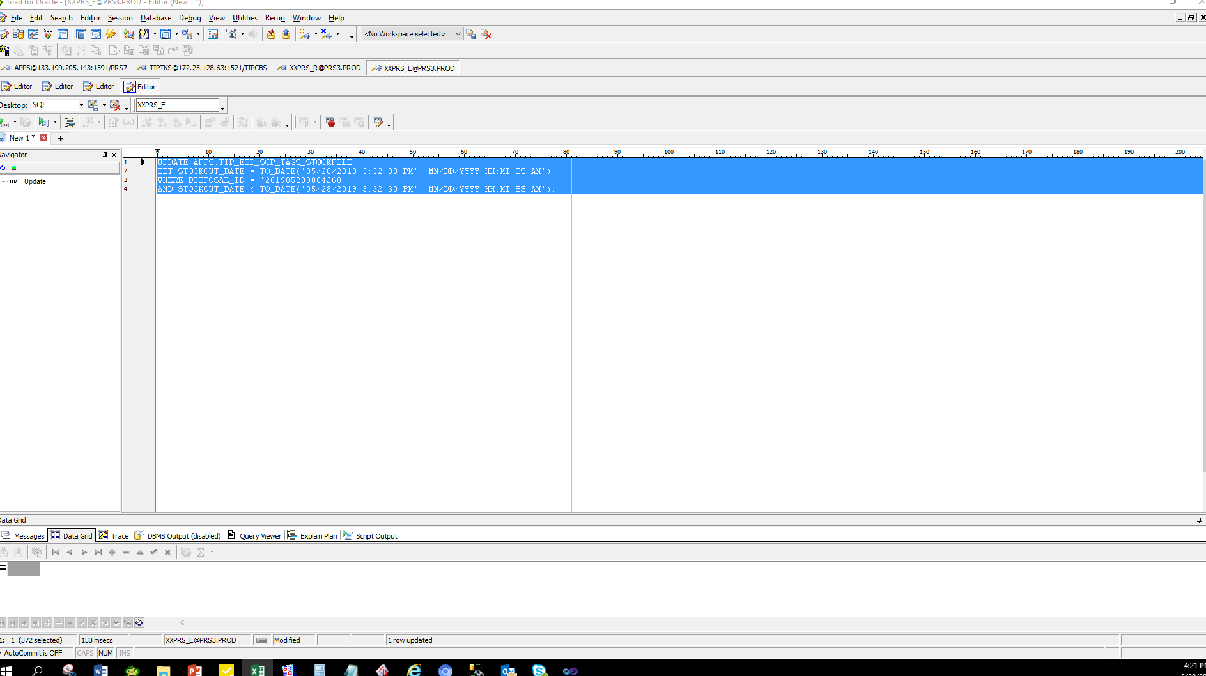

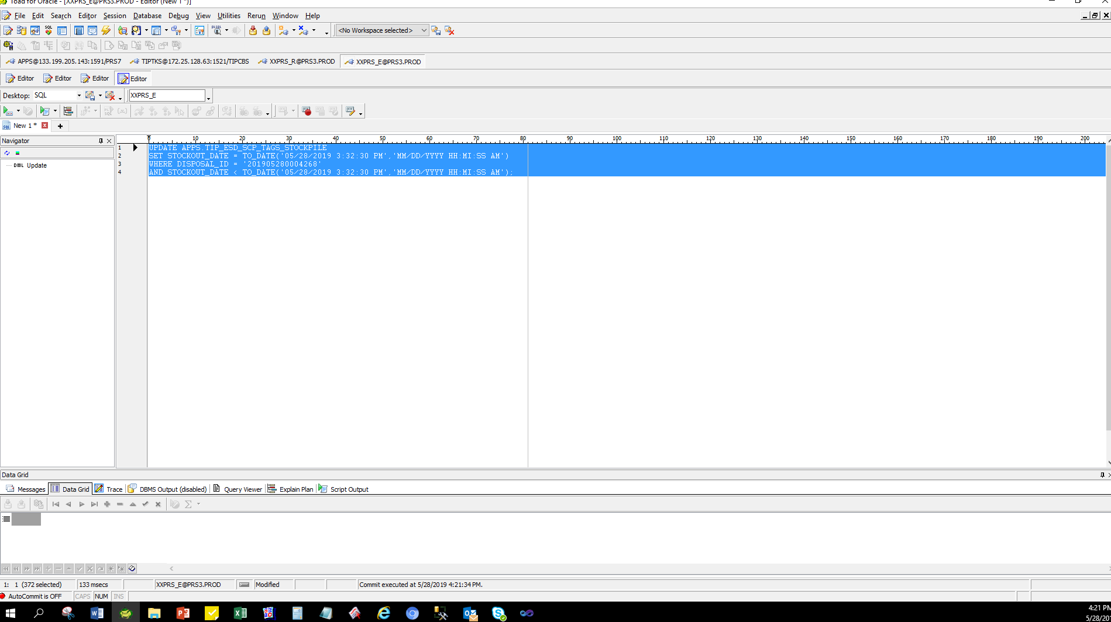

SELECT *
FROM APPS.TIP_ESD_SCP_TAGS_STOCKPILE
WHERE DISPOSAL_ID = 201905280004268
AND STOCKOUT_DATE = TO_DATE('05/28/2019 3:32:30 PM','MM/DD/YYYY HH:MI:SS AM');

DISPOSAL_ID | ORGANIZATION_ID | TAG_NUMBER | PARTS_CODE | DESCRIPTION | MODEL | DEFECT_TYPE | TRANS_DATE | TRANS_QTY | STOCKIN_BY | STOCKIN_DATE | STOCKOUT_BY | STOCKOUT_DATE | DISPOSE_BY | DISPOSE_DATE | DISPOSAL_FLAG | STATUS
201905280004268 | 125 | T0000009301 | GM9039919010 | Conductivity Bag/Exp | Condor-M3 AIC | Damaged | 5/28/2019 | 42 | 10625 | 5/28/2019 3:28:41 PM | 10625 | 5/28/2019 3:32:30 PM |  |  | N | PRINTED
201905280004268 | 125 | T0000009231 | A5A004373210 | PCB/Exp | Phoenix-M5 | PCB Repair NG | 4/30/2019 | 1 | 10625 | 5/28/2019 3:28:41 PM | 10625 | 5/28/2019 3:32:30 PM |  |  | N | PRINTED
201905280004268 | 125 | T0000009232 | A5A004373610 | PCB/Exp | Phoenix-M5 | PCB Repair NG | 4/30/2019 | 1 | 10625 | 5/28/2019 3:28:41 PM | 10625 | 5/28/2019 3:32:30 PM |  |  | N | PRINTED
201905280004268 | 125 | T0000009251 | A5A004248030 | PCB/Exp | Phoenix-M4 | PCB Repair NG | 5/28/2019 | 7 | 10625 | 5/28/2019 3:28:41 PM | 10625 | 5/28/2019 3:32:30 PM |  |  | N | PRINTED
201905280004268 | 125 | T0000009252 | A5A004248410 | PCB/Exp | Phoenix-M4 | PCB Repair NG | 5/28/2019 | 9 | 10625 | 5/28/2019 3:28:41 PM | 10625 | 5/28/2019 3:32:30 PM |  |  | N | PRINTED
201905280004268 | 125 | T0000009253 | A5A004248610 | PCB/Exp | Phoenix-M4 | PCB Repair NG | 5/28/2019 | 6 | 10625 | 5/28/2019 3:28:41 PM | 10625 | 5/28/2019 3:32:30 PM |  |  | N | PRINTED
201905280004268 | 125 | T0000009254 | A5A004249030 | PCB/Exp | Phoenix-M4 | PCB Repair NG | 5/28/2019 | 7 | 10625 | 5/28/2019 3:28:41 PM | 10625 | 5/28/2019 3:32:30 PM |  |  | N | PRINTED
201905280004268 | 125 | T0000009255 | A5A004249410 | PCB/Exp | Phoenix-M4 | PCB Repair NG | 5/28/2019 | 9 | 10625 | 5/28/2019 3:28:41 PM | 10625 | 5/28/2019 3:32:30 PM |  |  | N | PRINTED
201905280004268 | 125 | T0000009256 | A5A004249610 | PCB/Exp | Phoenix-M4 | PCB Repair NG | 5/28/2019 | 6 | 10625 | 5/28/2019 3:28:41 PM | 10625 | 5/28/2019 3:32:30 PM |  |  | N | PRINTED
201905280004268 | 125 | T0000009257 | A5A004250030 | PCB/Exp | Phoenix-M4 | PCB Repair NG | 5/28/2019 | 1 | 10625 | 5/28/2019 3:28:41 PM | 10625 | 5/28/2019 3:32:30 PM |  |  | N | PRINTED
201905280004268 | 125 | T0000009258 | A5A004250110 | PCB/Exp | Phoenix-M4 | PCB Repair NG | 5/28/2019 | 1 | 10625 | 5/28/2019 3:28:41 PM | 10625 | 5/28/2019 3:32:30 PM |  |  | N | PRINTED
201905280004268 | 125 | T0000009259 | A5A004250410 | PCB/Exp | Phoenix-M4 | PCB Repair NG | 5/28/2019 | 7 | 10625 | 5/28/2019 3:28:41 PM | 10625 | 5/28/2019 3:32:30 PM |  |  | N | PRINTED
201905280004268 | 125 | T0000009260 | A5A004250610 | PCB/Exp | Phoenix-M4 | PCB Repair NG | 5/28/2019 | 4 | 10625 | 5/28/2019 3:28:41 PM | 10625 | 5/28/2019 3:32:30 PM |  |  | N | PRINTED
201905280004268 | 125 | T0000009261 | A5A004373020 | PCB/Exp | Phoenix-M5 | PCB Repair NG | 5/28/2019 | 10 | 10625 | 5/28/2019 3:28:41 PM | 10625 | 5/28/2019 3:32:30 PM |  |  | N | PRINTED
201905280004268 | 125 | T0000009262 | A5A004373110 | PCB/Exp | Phoenix-M5 | PCB Repair NG | 5/28/2019 | 8 | 10625 | 5/28/2019 3:28:41 PM | 10625 | 5/28/2019 3:32:30 PM |  |  | N | PRINTED
201905280004268 | 125 | T0000009263 | A5A004373210 | PCB/Exp | Phoenix-M5 | PCB Repair NG | 5/28/2019 | 100 | 10625 | 5/28/2019 3:28:41 PM | 10625 | 5/28/2019 3:32:30 PM |  |  | N | PRINTED
201905280004268 | 125 | T0000009264 | A5A0043732N0 | PCB/Exp | Phoenix-M5 | PCB Repair NG | 5/28/2019 | 3 | 10625 | 5/28/2019 3:28:41 PM | 10625 | 5/28/2019 3:32:30 PM |  |  | N | PRINTED
201905280004268 | 125 | T0000009265 | A5A004373310 | PCB/Exp | Phoenix-M5 | PCB Repair NG | 5/28/2019 | 28 | 10625 | 5/28/2019 3:28:41 PM | 10625 | 5/28/2019 3:32:30 PM |  |  | N | PRINTED
201905280004268 | 125 | T0000009266 | A5A0043733N0 | PCB/Exp | Phoenix-M5 | PCB Repair NG | 5/28/2019 | 44 | 10625 | 5/28/2019 3:28:41 PM | 10625 | 5/28/2019 3:32:30 PM |  |  | N | PRINTED
201905280004268 | 125 | T0000009267 | A5A004373410 | PCB/Exp | Phoenix-M5 | PCB Repair NG | 5/28/2019 | 184 | 10625 | 5/28/2019 3:28:41 PM | 10625 | 5/28/2019 3:32:30 PM |  |  | N | PRINTED
201905280004268 | 125 | T0000009268 | A5A0043735F0 | PCB/Exp | Phoenix-M5 | PCB Repair NG | 5/28/2019 | 10 | 10625 | 5/28/2019 3:28:41 PM | 10625 | 5/28/2019 3:32:30 PM |  |  | N | PRINTED
201905280004268 | 125 | T0000009269 | A5A004373610 | PCB/Exp | Phoenix-M5 | PCB Repair NG | 5/28/2019 | 33 | 10625 | 5/28/2019 3:28:41 PM | 10625 | 5/28/2019 3:32:30 PM |  |  | N | PRINTED
201905280004268 | 125 | T0000009270 | A5A0043737F0 | PCB/Exp | Phoenix-M5 | PCB Repair NG | 5/28/2019 | 87 | 10625 | 5/28/2019 3:28:41 PM | 10625 | 5/28/2019 3:32:30 PM |  |  | N | PRINTED
201905280004268 | 125 | T0000009271 | A5A004385020 | PCB/Exp | Phoenix-M5 | PCB Repair NG | 5/28/2019 | 3 | 10625 | 5/28/2019 3:28:41 PM | 10625 | 5/28/2019 3:32:30 PM |  |  | N | PRINTED
201905280004268 | 125 | T0000009272 | A5A004385110 | PCB/Exp | Phoenix-M5 | PCB Repair NG | 5/28/2019 | 241 | 10625 | 5/28/2019 3:28:41 PM | 10625 | 5/28/2019 3:32:30 PM |  |  | N | PRINTED
201905280004268 | 125 | T0000009273 | A5A004385210 | PCB/Exp | Phoenix-M5 | PCB Repair NG | 5/28/2019 | 18 | 10625 | 5/28/2019 3:28:41 PM | 10625 | 5/28/2019 3:32:30 PM |  |  | N | PRINTED
201905280004268 | 125 | T0000009274 | A5A004385310 | PCB/Exp | Phoenix-M5 | PCB Repair NG | 5/28/2019 | 1 | 10625 | 5/28/2019 3:28:41 PM | 10625 | 5/28/2019 3:32:30 PM |  |  | N | PRINTED
201905280004268 | 125 | T0000009275 | A5A004385410 | PCB/Exp | Phoenix-M5 | PCB Repair NG | 5/28/2019 | 34 | 10625 | 5/28/2019 3:28:41 PM | 10625 | 5/28/2019 3:32:30 PM |  |  | N | PRINTED
201905280004268 | 125 | T0000009276 | A5A0043855F0 | PCB/Exp | Phoenix-M5 | PCB Repair NG | 5/28/2019 | 93 | 10625 | 5/28/2019 3:28:41 PM | 10625 | 5/28/2019 3:32:30 PM |  |  | N | PRINTED
201905280004268 | 125 | T0000009277 | A5A004385610 | PCB/Exp | Phoenix-M5 | PCB Repair NG | 5/28/2019 | 1 | 10625 | 5/28/2019 3:28:41 PM | 10625 | 5/28/2019 3:32:30 PM |  |  | N | PRINTED
201905280004268 | 125 | T0000009278 | A5A0043856P0 | PCB/Exp | Phoenix-M5 | PCB Repair NG | 5/28/2019 | 22 | 10625 | 5/28/2019 3:28:41 PM | 10625 | 5/28/2019 3:32:30 PM |  |  | N | PRINTED
201905280004268 | 125 | T0000009279 | A5A0043857F0 | PCB/Exp | Phoenix-M5 | PCB Repair NG | 5/28/2019 | 136 | 10625 | 5/28/2019 3:28:41 PM | 10625 | 5/28/2019 3:32:30 PM |  |  | N | PRINTED
201905280004268 | 125 | T0000009280 | A5A0043871G0 | PCB/Exp | Condor-M5 | PCB Repair NG | 5/28/2019 | 1 | 10625 | 5/28/2019 3:28:41 PM | 10625 | 5/28/2019 3:32:30 PM |  |  | N | PRINTED
201905280004268 | 125 | T0000009281 | A5A004387490 | PCB/Exp | Condor-D5 | PCB Repair NG | 5/28/2019 | 3 | 10625 | 5/28/2019 3:28:41 PM | 10625 | 5/28/2019 3:32:30 PM |  |  | N | PRINTED
201905280004268 | 125 | T0000009282 | A5A900002910 | PCB/Exp | Condor-D5 | PCB Repair NG | 5/28/2019 | 1 | 10625 | 5/28/2019 3:28:41 PM | 10625 | 5/28/2019 3:32:30 PM |  |  | N | PRINTED
201905280004268 | 125 | T0000009283 | GM9011961010 | Label/Exp | Phoenix-M2 | Erased Character | 5/28/2019 | 11221 | 10625 | 5/28/2019 3:28:41 PM | 10625 | 5/28/2019 3:32:30 PM |  |  | N | PRINTED
201905280004268 | 125 | T0000009284 | GM9029346010 | Label/Exp | Condor-M3 | Erased Character | 5/28/2019 | 2390 | 10625 | 5/28/2019 3:28:41 PM | 10625 | 5/28/2019 3:32:30 PM |  |  | N | PRINTED
201905280004268 | 125 | T0000009285 | GM9029354010 | Label/Exp | Phoenix-M2 | Erased Character | 5/28/2019 | 869 | 10625 | 5/28/2019 3:28:41 PM | 10625 | 5/28/2019 3:32:30 PM |  |  | N | PRINTED
201905280004268 | 125 | T0000009286 | GM9029522010 | Label/Exp | Phoenix-M5 | Erased Character | 5/28/2019 | 11757 | 10625 | 5/28/2019 3:28:41 PM | 10625 | 5/28/2019 3:32:30 PM |  |  | N | PRINTED
201905280004268 | 125 | T0000009287 | GM9029954010 | Label/Exp | Condor-M3 | Erased Character | 5/28/2019 | 251 | 10625 | 5/28/2019 3:28:41 PM | 10625 | 5/28/2019 3:32:30 PM |  |  | N | PRINTED
201905280004268 | 125 | T0000009288 | GM9029955010 | Label/Exp | Condor-M3 | Erased Character | 5/28/2019 | 85 | 10625 | 5/28/2019 3:28:41 PM | 10625 | 5/28/2019 3:32:30 PM |  |  | N | PRINTED
201905280004268 | 125 | T0000009289 | GM9030544020 | Label/Exp | Condor-M3 | Erased Character | 5/28/2019 | 288 | 10625 | 5/28/2019 3:28:41 PM | 10625 | 5/28/2019 3:32:30 PM |  |  | N | PRINTED
201905280004268 | 125 | T0000009290 | GM9030957010 | Label/Exp | Phoenix-M2 | Erased Character | 5/28/2019 | 1349 | 10625 | 5/28/2019 3:28:41 PM | 10625 | 5/28/2019 3:32:30 PM |  |  | N | PRINTED
201905280004268 | 125 | T0000009291 | GM9034748010 | Box/Exp | Condor-M3 | Damaged | 5/28/2019 | 292 | 10625 | 5/28/2019 3:28:41 PM | 10625 | 5/28/2019 3:32:30 PM |  |  | N | PRINTED
201905280004268 | 125 | T0000009292 | GM9038420010 | Assy Plate/Exp | Phoenix-M3 | Dent | 5/28/2019 | 4 | 10625 | 5/28/2019 3:28:41 PM | 10625 | 5/28/2019 3:32:30 PM |  |  | N | PRINTED
201905280004268 | 125 | T0000009293 | GM9038421010 | Seal Tape/Exp | Phoenix-M2 | Foreign Materials | 2019-05-28 | 12 | 10625 | 5/28/19 | 10625 | 5/28/19 |  |  | N | PRINTED
201905280004268 | 125 | T0000009294 | GM9038422010 | Assy Plate/Exp | Phoenix-M3 | Dent | 2019-05-28 | 100 | 10625 | 5/28/19 | 10625 | 5/28/19 |  |  | N | PRINTED
201905280004268 | 125 | T0000009295 | GM9038423010 | Assy Plate/Exp | Phoenix-M3 | Dent | 2019-05-28 | 5 | 10625 | 5/28/19 | 10625 | 5/28/19 |  |  | N | PRINTED
201905280004268 | 125 | T0000009296 | GM9038424010 | Assy Plate/Exp | Phoenix-M3 | Scratch | 2019-05-28 | 7 | 10625 | 5/28/19 | 10625 | 5/28/19 |  |  | N | PRINTED
201905280004268 | 125 | T0000009297 | GM9038424020 | Assy Plate/Exp | Phoenix-M3 | Scratch | 2019-05-28 | 7 | 10625 | 5/28/19 | 10625 | 5/28/19 |  |  | N | PRINTED
201905280004268 | 125 | T0000009298 | GM9038428010 | TC Sheet/Exp | Phoenix-M3 | Damaged | 2019-05-28 | 214008 | 10625 | 5/28/19 | 10625 | 5/28/19 |  |  | N | PRINTED
201905280004268 | 125 | T0000009299 | GM9038429010 | TC Sheet/Exp | Phoenix-M3 | Damaged | 2019-05-28 | 784 | 10625 | 5/28/19 | 10625 | 5/28/19 |  |  | N | PRINTED
201905280004268 | 125 | T0000009300 | GM9039724010 | Label/Exp | Phoenix-M3 | Peel-off | 2019-05-28 | 439 | 10625 | 5/28/19 | 10625 | 5/28/19 |  |  | N | PRINTED
201905280004268 | 125 | T0000009302 | GM9039920010 | Box/Exp | Condor-M3 AIC | Damaged | 2019-05-28 | 2 | 10625 | 5/28/19 | 10625 | 5/28/19 |  |  | N | PRINTED
201905280004268 | 125 | T0000009303 | GM9041500010 | Assy Plate/Exp | Phoenix-M5 | Dent | 2019-05-28 | 175 | 10625 | 5/28/19 | 10625 | 5/28/19 |  |  | N | PRINTED
201905280004268 | 125 | T0000009304 | GM9041500020 | Assy Plate/Exp | Phoenix-M5 | Deformed | 2019-05-28 | 110 | 10625 | 5/28/19 | 10625 | 5/28/19 |  |  | N | PRINTED
201905280004268 | 125 | T0000009305 | GM9041501010 | Assy Plate/Exp | Phoenix-M5 | Scratch | 2019-05-28 | 80 | 10625 | 5/28/19 | 10625 | 5/28/19 |  |  | N | PRINTED
201905280004268 | 125 | T0000009306 | GM9041501020 | Assy Plate/Exp | Phoenix-M5 | Scratch | 2019-05-28 | 22 | 10625 | 5/28/19 | 10625 | 5/28/19 |  |  | N | PRINTED
201905280004268 | 125 | T0000009307 | GM9041511010 | Seal Tape/Exp | Phoenix-M5 | Peel-off | 2019-05-28 | 220 | 10625 | 5/28/19 | 10625 | 5/28/19 |  |  | N | PRINTED
201905280004268 | 125 | T0000009308 | GM9041512010 | Label/Exp | Phoenix-M5 | Erased Character | 2019-05-28 | 6491 | 10625 | 5/28/19 | 10625 | 5/28/19 |  |  | N | PRINTED
201905280004268 | 125 | T0000009309 | GM9041515010 | TC Sheet/Exp | Phoenix-M5 | Damaged | 2019-05-28 | 4448 | 10625 | 5/28/19 | 10625 | 5/28/19 |  |  | N | PRINTED
201905280004268 | 125 | T0000009310 | GM9042083010 | Assy Plate/Exp | Condor-M5 AIC | Scratch | 2019-05-28 | 9 | 10625 | 5/28/19 | 10625 | 5/28/19 |  |  | N | PRINTED
201905280004268 | 125 | T0000009311 | GM9M0000M010 | Assy Plate/Exp | Raven-M5 | Scratch | 2019-05-28 | 3 | 10625 | 5/28/19 | 10625 | 5/28/19 |  |  | N | PRINTED

Helpdesk Request
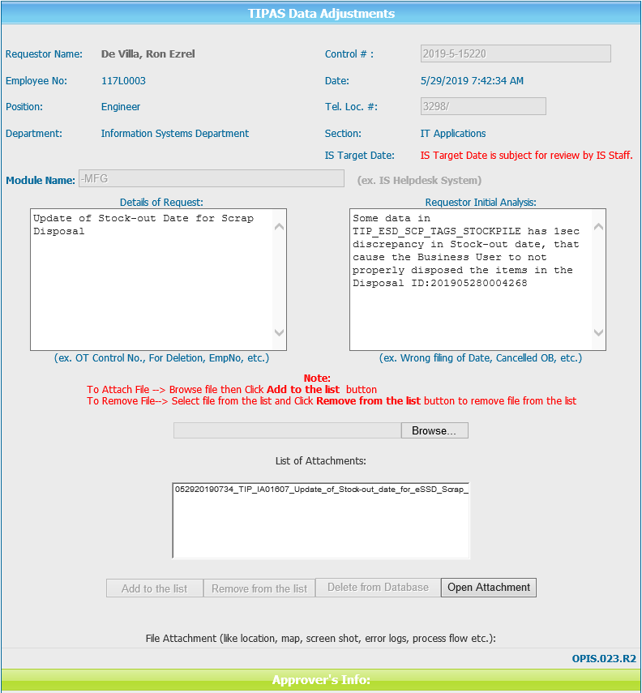
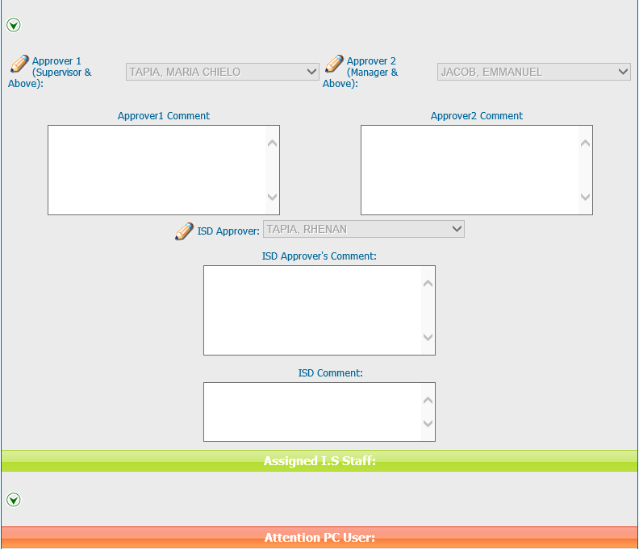
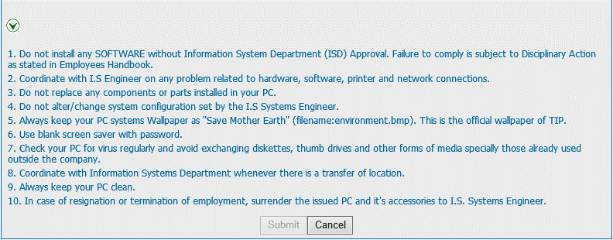
Helpdesk Request

